ZoneSummary
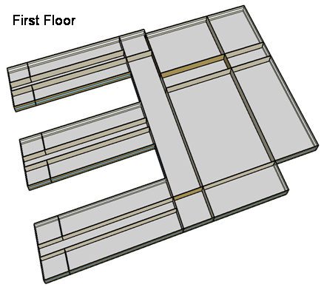
Zone Summary
Zone Name | Conditioned (Y/N) | Multiplier | Area (m2) | Volume (m3) | Floor-to-Ceiling Height (m) | Gross Wall Area (m2) | Window Glass Area (m2) | People (m2/per) | People | Lights (W/m2) | Elec Plug and Process (W/m2) | Gas Plug and Process (W/m2) | SWH (L/h) | Ventilation (L/s/Person) | Ventilation (L/s/m2) | Ventilation Total (L/s) | Exhaust (L/s) | Infiltration (ACH)
CORNER_CLASS_1_POD_1_ZN_1_FLR_1 | Yes | 1 | 99 | 396 | 4.00 | 80 | 28 | 4.00 | 24.75 | 15.07 | 10.00 |  |  | 8.00 |  | 198.00 |  | 0.22
MULT_CLASS_1_POD_1_ZN_1_FLR_1 | Yes | 1 | 477 | 1,908 | 4.00 | 212 | 74 | 4.00 | 119.25 | 15.07 | 10.00 |  |  | 8.00 |  | 954.00 |  | 0.12
CORRIDOR_POD_1_ZN_1_FLR_1 | Yes | 1 | 320 | 1,280 | 4.00 | 20 | 7 | 10.00 | 32.00 | 5.38 | 4.00 |  |  |  | 0.50 | 160.00 |  | 0.02
CORNER_CLASS_2_POD_1_ZN_1_FLR_1 | Yes | 1 | 99 | 396 | 4.00 | 80 | 28 | 4.00 | 24.75 | 15.07 | 10.00 |  |  | 8.00 |  | 198.00 |  | 0.22
MULT_CLASS_2_POD_1_ZN_1_FLR_1 | Yes | 1 | 477 | 1,908 | 4.00 | 212 | 74 | 4.00 | 119.25 | 15.07 | 10.00 |  |  | 8.00 |  | 954.00 |  | 0.12
CORNER_CLASS_1_POD_2_ZN_1_FLR_1 | Yes | 1 | 99 | 396 | 4.00 | 80 | 28 | 4.00 | 24.75 | 15.07 | 10.00 |  |  | 8.00 |  | 198.00 |  | 0.22
MULT_CLASS_1_POD_2_ZN_1_FLR_1 | Yes | 1 | 477 | 1,908 | 4.00 | 212 | 74 | 4.00 | 119.25 | 15.07 | 10.00 |  |  | 8.00 |  | 954.00 |  | 0.12
CORRIDOR_POD_2_ZN_1_FLR_1 | Yes | 1 | 320 | 1,280 | 4.00 | 20 | 7 | 10.00 | 32.00 | 5.38 | 4.00 |  |  |  | 0.50 | 160.00 |  | 0.02
CORNER_CLASS_2_POD_2_ZN_1_FLR_1 | Yes | 1 | 99 | 396 | 4.00 | 80 | 28 | 4.00 | 24.75 | 15.07 | 10.00 |  |  | 8.00 |  | 198.00 |  | 0.22
MULT_CLASS_2_POD_2_ZN_1_FLR_1 | Yes | 1 | 477 | 1,908 | 4.00 | 212 | 74 | 4.00 | 119.25 | 15.07 | 10.00 |  |  | 8.00 |  | 954.00 |  | 0.12
CORNER_CLASS_1_POD_3_ZN_1_FLR_1 | Yes | 1 | 99 | 396 | 4.00 | 80 | 28 | 4.00 | 24.75 | 15.07 | 10.00 |  |  | 8.00 |  | 198.00 |  | 0.22
MULT_CLASS_1_POD_3_ZN_1_FLR_1 | Yes | 1 | 477 | 1,908 | 4.00 | 212 | 74 | 4.00 | 119.25 | 15.07 | 10.00 |  |  | 8.00 |  | 954.00 |  | 0.12
CORRIDOR_POD_3_ZN_1_FLR_1 | Yes | 1 | 320 | 1,280 | 4.00 | 20 | 7 | 10.00 | 32.00 | 5.38 | 4.00 |  |  |  | 0.50 | 160.00 |  | 0.02
CORNER_CLASS_2_POD_3_ZN_1_FLR_1 | Yes | 1 | 99 | 396 | 4.00 | 80 | 28 | 4.00 | 24.75 | 15.07 | 10.00 |  |  | 8.00 |  | 198.00 |  | 0.22
MULT_CLASS_2_POD_3_ZN_1_FLR_1 | Yes | 1 | 477 | 1,908 | 4.00 | 212 | 74 | 4.00 | 119.25 | 15.07 | 10.00 |  |  | 8.00 |  | 954.00 |  | 0.12
MAIN_CORRIDOR_ZN_1_FLR_1 | Yes | 1 | 1140 | 4,560 | 4.00 | 200 | 70 |  | 0.00 | 5.38 | 4.00 |  |  |  | 0.50 | 570.00 |  | 0.05
LOBBY_ZN_1_FLR_1 | Yes | 1 | 210 | 840 | 4.00 | 60 | 21 |  | 0.00 | 13.99 | 4.00 |  |  |  | 0.50 | 105.00 |  | 0.08
BATHROOMS_ZN_1_FLR_1 | Yes | 1 | 210 | 840 | 4.00 | 116 | 41 | 10.00 | 21.00 | 9.69 | 4.00 |  | 197.5 | 25.00 |  | 300.00 | 300.00 | 0.15
OFFICES_ZN_1_FLR_1 | Yes | 1 | 532 | 2,128 | 4.00 | 208 | 73 | 20.00 | 26.60 | 11.84 | 10.76 |  |  | 10.00 |  | 266.00 |  | 0.11
GYM_ZN_1_FLR_1 | Yes | 1 | 1976 | 15,808 | 8.00 | 0 | 80 | 1.00 | 1976.00 | 15.07 | 5.00 |  | 717.2 | 10.00 |  | 19760.00 |  | 0.00
AUX_GYM_ZN_1_FLR_1 | Yes | 1 | 1248 | 9,984 | 8.00 | 608 | 266 | 3.00 | 416.00 | 15.07 | 5.00 |  |  | 10.00 |  | 4160.00 |  | 0.07
AUDITORIUM_ZN_1_FLR_1 | Yes | 1 | 988 | 7,904 | 8.00 | 512 | 106 | 1.00 | 988.00 | 9.69 | 5.00 |  |  | 8.00 |  | 7904.00 |  | 0.07
KITCHEN_ZN_1_FLR_1 | Yes | 1 | 216 | 864 | 4.00 | 36 | 13 | 6.00 | 36.00 | 12.92 | 222.27 | 1119.45 | 503.5 | 8.00 |  | 288.00 | 1887.79 | 0.05
CAFETERIA_ZN_1_FLR_1 | Yes | 1 | 624 | 2,496 | 4.00 | 200 | 70 | 1.39 | 448.92 | 15.07 | 19.27 |  |  | 10.00 |  | 4489.21 |  | 0.09
MECH_ZN_1_FLR_1 | Yes | 1 | 342 | 1,368 | 4.00 | 0 | 0 | 100.00 | 3.42 | 16.15 | 4.00 |  |  |  | 0.25 | 85.50 |  | 0.00
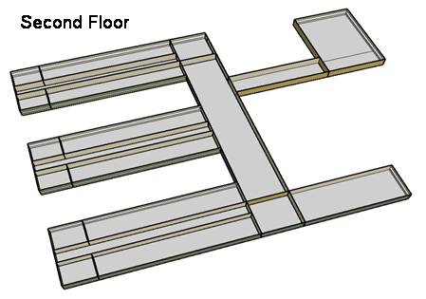
CORNER_CLASS_1_POD_1_ZN_1_FLR_2 | Yes | 1 | 99 | 396 | 4.00 | 80 | 28 | 4.00 | 24.75 | 15.07 | 10.00 |  |  | 8.00 |  | 198.00 |  | 0.49
MULT_CLASS_1_POD_1_ZN_1_FLR_2 | Yes | 1 | 477 | 1,908 | 4.00 | 212 | 74 | 4.00 | 119.25 | 15.07 | 10.00 |  |  | 8.00 |  | 954.00 |  | 0.39
CORRIDOR_POD_1_ZN_1_FLR_2 | Yes | 1 | 320 | 1,280 | 4.00 | 20 | 7 | 10.00 | 32.00 | 5.38 | 4.00 |  |  |  | 0.50 | 160.00 |  | 0.29
CORNER_CLASS_2_POD_1_ZN_1_FLR_2 | Yes | 1 | 99 | 396 | 4.00 | 80 | 28 | 4.00 | 24.75 | 15.07 | 10.00 |  |  | 8.00 |  | 198.00 |  | 0.49
MULT_CLASS_2_POD_1_ZN_1_FLR_2 | Yes | 1 | 477 | 1,908 | 4.00 | 212 | 74 | 4.00 | 119.25 | 15.07 | 10.00 |  |  | 8.00 |  | 954.00 |  | 0.39
CORNER_CLASS_1_POD_2_ZN_1_FLR_2 | Yes | 1 | 99 | 396 | 4.00 | 80 | 28 | 4.00 | 24.75 | 15.07 | 10.00 |  |  | 8.00 |  | 198.00 |  | 0.49
MULT_CLASS_1_POD_2_ZN_1_FLR_2 | Yes | 1 | 477 | 1,908 | 4.00 | 212 | 74 | 4.00 | 119.25 | 15.07 | 10.00 |  |  | 8.00 |  | 954.00 |  | 0.39
CORRIDOR_POD_2_ZN_1_FLR_2 | Yes | 1 | 320 | 1,280 | 4.00 | 20 | 7 | 10.00 | 32.00 | 5.38 | 4.00 |  |  |  | 0.50 | 160.00 |  | 0.29
CORNER_CLASS_2_POD_2_ZN_1_FLR_2 | Yes | 1 | 99 | 396 | 4.00 | 80 | 28 | 4.00 | 24.75 | 15.07 | 10.00 |  |  | 8.00 |  | 198.00 |  | 0.49
MULT_CLASS_2_POD_2_ZN_1_FLR_2 | Yes | 1 | 477 | 1,908 | 4.00 | 212 | 74 | 4.00 | 119.25 | 15.07 | 10.00 |  |  | 8.00 |  | 954.00 |  | 0.39
CORNER_CLASS_1_POD_3_ZN_1_FLR_2 | Yes | 1 | 99 | 396 | 4.00 | 80 | 28 | 4.00 | 24.75 | 15.07 | 10.00 |  |  | 8.00 |  | 198.00 |  | 0.49
MULT_CLASS_1_POD_3_ZN_1_FLR_2 | Yes | 1 | 477 | 1,908 | 4.00 | 212 | 74 | 4.00 | 119.25 | 15.07 | 20.00 |  |  | 8.00 |  | 954.00 |  | 0.39
CORRIDOR_POD_3_ZN_1_FLR_2 | Yes | 1 | 320 | 1,280 | 4.00 | 20 | 7 | 10.00 | 32.00 | 5.38 | 4.00 |  |  |  | 0.50 | 160.00 |  | 0.29
CORNER_CLASS_2_POD_3_ZN_1_FLR_2 | Yes | 1 | 99 | 396 | 4.00 | 80 | 28 | 4.00 | 24.75 | 15.07 | 10.00 |  |  | 8.00 |  | 198.00 |  | 0.49
MULT_CLASS_2_POD_3_ZN_1_FLR_2 | Yes | 1 | 477 | 1,908 | 4.00 | 212 | 74 | 4.00 | 119.25 | 15.07 | 20.00 |  |  | 8.00 |  | 954.00 |  | 0.39
MAIN_CORRIDOR_ZN_1_FLR_2 | Yes | 1 | 1140 | 4,560 | 4.00 | 200 | 70 |  | 0.00 | 5.38 | 4.00 |  |  |  | 0.50 | 570.00 |  | 0.32
LOBBY_ZN_1_FLR_2 | Yes | 1 | 210 | 840 | 4.00 | 60 | 21 |  | 0.00 | 13.99 | 4.00 |  |  |  | 0.50 | 105.00 |  | 0.35
BATHROOMS_ZN_1_FLR_2 | Yes | 1 | 210 | 840 | 4.00 | 116 | 41 | 10.00 | 21.00 | 9.69 | 4.00 |  | 197.5 | 25.00 |  | 300.00 | 300.00 | 0.42
OFFICES_ZN_1_FLR_2 | Yes | 1 | 532 | 2,128 | 4.00 | 208 | 73 | 20.00 | 26.60 | 11.84 | 10.76 |  |  | 10.00 |  | 266.00 |  | 0.38
LIBRARY_MEDIA_CENTER_ZN_1_FLR_2 | Yes | 1 | 840 | 3,360 | 4.00 | 236 | 83 | 4.35 | 193.10 | 13.99 | 10.00 |  |  | 8.00 |  | 1544.83 |  | 0.35
MECH_ZN_1_FLR_2 | Yes | 1 | 342 | 1,368 | 4.00 | 0 | 0 | 100.00 | 3.42 | 16.15 | 4.00 |  |  |  | 0.25 | 85.50 |  | 0.27
Total Conditioned Zones |  |  | 19,592 | 95,216 |  | 6,384 | 2,296 |  | 6,080

Data Source |  |  |  |  |  |  |  | 1 |  | 2 | 4, 5 | 4, 5 | 4, 5 | 3 | 3 | 3 | 4 | 4

Sources
[1] Pless, S.; Torcellini, P.; Long, N. (2007). Technical Support Document: Development of the Advanced Energy Design Guide for K-12 Schools--30% Energy Savings. 178 pp.; NREL Report No. TP-550-42114. http://www.nrel.gov/docs/fy07osti/42114.pdf
[2] ASHRAE Standard 90.1-2004 Tables 9.5.1 & 9.6.1, Atlanta, GA: American Society of Heating, Refrigerating and Air-Conditioning Engineers.
[3] ASHRAE Standard 62-1999 Table 6-1, Atlanta, GA: American Society of Heating, Refrigerating and Air-Conditioning Engineers.
[4] DOE Commercial Reference Buildings Report
[5] Smith, V. A. and D.R. Fisher. (2001). Estimating Food Service Loads and Profiles. ASHRAE Transactions 2001. V. 107. Pt 2. Atlanta, GA: American Society of Heating, Refrigerating and Air-Conditioning Engineers.

Picture
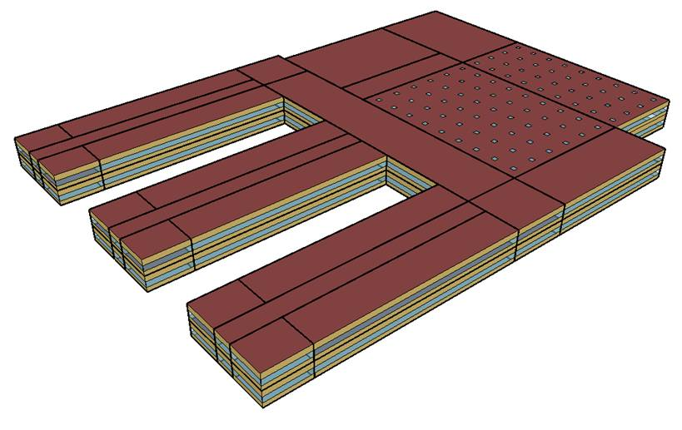
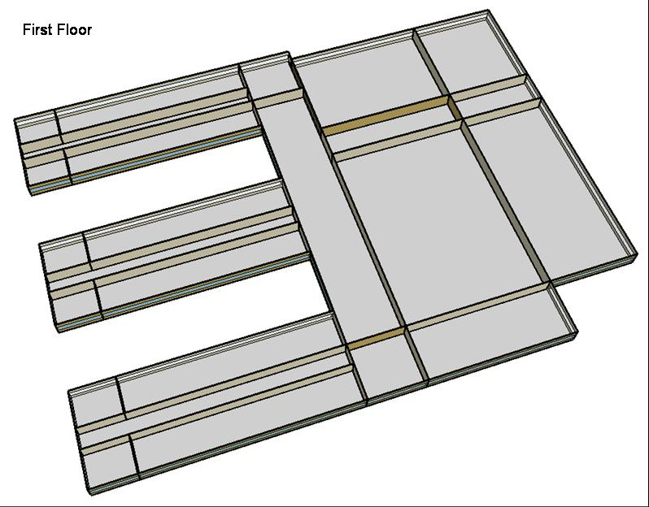
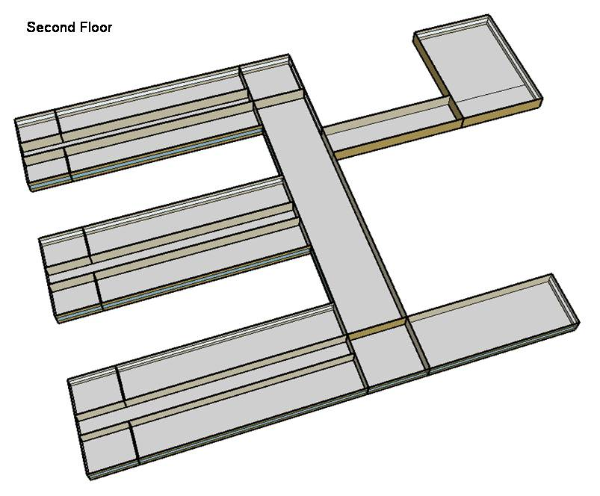
DOE Commercial Building Benchmark - Secondary School

Electricity
 | Cooling | Interior Lighting | Exterior Lighting | Interior Equipment | Fans | Pumps | Refrigeration
Miami | 3,335,219.44 | 939,483.33 | 78,358.33 | 632,727.78 | 339,963.89 | 16,827.78 | 43,672.22
Houston | 2,531,572.22 | 939,483.33 | 78,327.78 | 632,727.78 | 320,611.11 | 12,161.11 | 41,769.44
Phoenix | 2,746,291.67 | 939,483.33 | 78,313.89 | 632,727.78 | 344,511.11 | 12,336.11 | 41,911.11
Atlanta | 1,566,727.78 | 939,483.33 | 78,302.78 | 632,727.78 | 303,747.22 | 8,005.56 | 40,013.89
Los Angeles | 979,636.11 | 939,483.33 | 78,241.67 | 632,727.78 | 287,508.33 | 5,944.44 | 40,047.22
Las Vegas | 1,745,805.56 | 939,483.33 | 78,225.00 | 632,727.78 | 321,663.89 | 9,088.89 | 40,658.33
San Francisco | 590,897.22 | 939,483.33 | 78,266.67 | 632,727.78 | 291,872.22 | 3,477.78 | 38,377.78
Baltimore | 1,290,913.89 | 939,483.33 | 78,219.44 | 632,727.78 | 304,355.56 | 6,616.67 | 38,847.22
Albuquerque | 854,138.89 | 939,483.33 | 78,247.22 | 632,727.78 | 318,238.89 | 6,158.33 | 38,866.67
Seattle | 364,144.44 | 939,483.33 | 78,091.67 | 632,727.78 | 277,119.44 | 2,847.22 | 37,638.89
Chicago | 982,752.78 | 939,483.33 | 78,230.56 | 632,727.78 | 304,933.33 | 5,466.67 | 38,041.67
Boulder | 588,622.22 | 939,483.33 | 78,186.11 | 632,727.78 | 303,377.78 | 4,705.56 | 37,852.78
Minneapolis | 828,616.67 | 939,483.33 | 78,180.56 | 632,727.78 | 307,519.44 | 5,586.11 | 37,622.22
Helena | 369,127.78 | 939,483.33 | 78,161.11 | 632,727.78 | 306,183.33 | 4,291.67 | 36,991.67
Duluth | 374,913.89 | 939,483.33 | 78,116.67 | 632,727.78 | 325,377.78 | 4,844.44 | 36,425.00
Fairbanks | 135,544.44 | 939,483.33 | 77,638.89 | 632,727.78 | 339,816.67 | 5,850.00 | 35,547.22

Gas
 | Heating | Interior Equipment | Water Systems
Miami | 154,840.00 | 353,390.00 | 253,290.00
Houston | 1,791,180.00 | 353,390.00 | 319,760.00
Phoenix | 1,283,790.00 | 353,390.00 | 289,380.00
Atlanta | 3,401,220.00 | 353,390.00 | 378,840.00
Los Angeles | 914,390.00 | 353,390.00 | 358,800.00
Las Vegas | 1,912,860.00 | 353,390.00 | 332,800.00
San Francisco | 3,101,940.00 | 353,390.00 | 408,800.00
Baltimore | 6,115,510.00 | 353,390.00 | 425,840.00
Albuquerque | 3,992,340.00 | 353,390.00 | 416,770.00
Seattle | 5,743,450.00 | 353,390.00 | 442,430.00
Chicago | 8,172,930.00 | 353,390.00 | 465,820.00
Boulder | 5,861,040.00 | 353,390.00 | 462,090.00
Minneapolis | 11,219,000.00 | 353,390.00 | 501,500.00
Helena | 8,984,290.00 | 353,390.00 | 504,770.00
Duluth | 13,581,750.00 | 353,390.00 | 554,740.00
Fairbanks | 21,521,580.00 | 353,390.00 | 617,760.00

EUI
 | Cooling (elec) | Interior Lighting (elec) | Exterior Lighting (elec) | Interior Equipment (elec) | Fans (elec) | Pumps (elec) | Refrigeration (elec) | Heating (gas) | Interior Equipment (gas)
Miami | 612.84 | 172.63 | 14.40 | 116.26 | 62.47 | 3.09 | 8.02 | 7.90 | 18.04
Houston | 465.17 | 172.63 | 14.39 | 116.26 | 58.91 | 2.23 | 7.68 | 91.42 | 18.04
Phoenix | 504.63 | 172.63 | 14.39 | 116.26 | 63.30 | 2.27 | 7.70 | 65.53 | 18.04
Atlanta | 287.88 | 172.63 | 14.39 | 116.26 | 55.81 | 1.47 | 7.35 | 173.60 | 18.04
Los Angeles | 180.01 | 172.63 | 14.38 | 116.26 | 52.83 | 1.09 | 7.36 | 46.67 | 18.04
Las Vegas | 320.79 | 172.63 | 14.37 | 116.26 | 59.11 | 1.67 | 7.47 | 97.63 | 18.04
San Francisco | 108.58 | 172.63 | 14.38 | 116.26 | 53.63 | 0.64 | 7.05 | 158.33 | 18.04
Baltimore | 237.20 | 172.63 | 14.37 | 116.26 | 55.92 | 1.22 | 7.14 | 312.14 | 18.04
Albuquerque | 156.95 | 172.63 | 14.38 | 116.26 | 58.48 | 1.13 | 7.14 | 203.77 | 18.04
Seattle | 66.91 | 172.63 | 14.35 | 116.26 | 50.92 | 0.52 | 6.92 | 293.15 | 18.04
Chicago | 180.58 | 172.63 | 14.37 | 116.26 | 56.03 | 1.00 | 6.99 | 417.16 | 18.04
Boulder | 108.16 | 172.63 | 14.37 | 116.26 | 55.75 | 0.86 | 6.96 | 299.15 | 18.04
Minneapolis | 152.26 | 172.63 | 14.37 | 116.26 | 56.51 | 1.03 | 6.91 | 572.63 | 18.04
Helena | 67.83 | 172.63 | 14.36 | 116.26 | 56.26 | 0.79 | 6.80 | 458.57 | 18.04
Duluth | 68.89 | 172.63 | 14.35 | 116.26 | 59.79 | 0.89 | 6.69 | 693.23 | 18.04
Fairbanks | 24.91 | 172.63 | 14.27 | 116.26 | 62.44 | 1.07 | 6.53 | 1098.49 | 18.04

Water
 | Total Building | Water for Electricity (m3)
Miami | 2,677.93 | 2,853.41
Houston | 2,677.93 | 7,414.21
Phoenix | 2,677.93 | 142,450.00
Atlanta | 2,677.93 | 22,283.50
Los Angeles | 2,677.93 | 52,034.00
Las Vegas | 2,677.93 | 103,362.00
San Francisco | 2,677.93 | 45,213.00
Baltimore | 2,677.93 | 747.22
Albuquerque | 2,677.93 | 13,022.40
Seattle | 2,677.93 | 23,826.10
Chicago | 2,677.93 | 4,625.83
Boulder | 2,677.93 | 11,737.80
Minneapolis | 2,677.93 | 4,390.16
Helena | 2,677.93 | 149,934.00
Duluth | 2,677.93 | 3,710.87
Fairbanks | 2,677.93 | 2,213.58

Carbon
 | Carbon Equivalent (kg)
Miami | 1,490,910.00
Houston | 1,564,360.00
Phoenix | 1,482,410.00
Atlanta | 1,173,920.00
Los Angeles | 375,674.10
Las Vegas | 1,317,600.00
San Francisco | 370,622.36
Baltimore | 1,012,470.00
Albuquerque | 1,257,400.00
Seattle | 287,773.88
Chicago | 1,751,810.00
Boulder | 1,176,350.00
Minneapolis | 1,186,320.00
Helena | 1,042,460.00
Duluth | 1,080,020.00
Fairbanks | 1,015,260.00

LghtSch
Lighting Schedules
 | School year weekday | School year weekend | Summer weekday | Summer weekend
 | 0.1773 | 0.1773 | 0.1773 | 0.1773
 | 0.1773 | 0.1773 | 0.1773 | 0.1773
 | 0.1773 | 0.1773 | 0.1773 | 0.1773
 | 0.1773 | 0.1773 | 0.1773 | 0.1773
 | 0.1773 | 0.1773 | 0.1773 | 0.1773
 | 0.1773 | 0.1773 | 0.1773 | 0.1773
 | 0.1773 | 0.1773 | 0.1773 | 0.1773
 | 0.9 | 0.1773 | 0.1773 | 0.1773
 | 0.9 | 0.1773 | 0.5 | 0.1773
 | 0.9 | 0.1773 | 0.5 | 0.1773
 | 0.9 | 0.1773 | 0.5 | 0.1773
 | 0.9 | 0.1773 | 0.5 | 0.1773
 | 0.9 | 0.1773 | 0.5 | 0.1773
 | 0.9 | 0.1773 | 0.5 | 0.1773
 | 0.9 | 0.1773 | 0.5 | 0.1773
 | 0.9 | 0.1773 | 0.5 | 0.1773
 | 0.9 | 0.1773 | 0.5 | 0.1773
 | 0.9 | 0.1773 | 0.5 | 0.1773
 | 0.9 | 0.1773 | 0.5 | 0.1773
 | 0.9 | 0.1773 | 0.5 | 0.1773
 | 0.9 | 0.1773 | 0.1773 | 0.1773
 | 0.1773 | 0.1773 | 0.1773 | 0.1773
 | 0.1773 | 0.1773 | 0.1773 | 0.1773
 | 0.1773 | 0.1773 | 0.1773 | 0.1773

EqpSch
Equipment Schedules
 | School year weekday | School year weekend | Summer weekday | Summer weekend
 | 0.35 | 0.35 | 0.25 | 0.25
 | 0.35 | 0.35 | 0.25 | 0.25
 | 0.35 | 0.35 | 0.25 | 0.25
 | 0.35 | 0.35 | 0.25 | 0.25
 | 0.35 | 0.35 | 0.25 | 0.25
 | 0.35 | 0.35 | 0.25 | 0.25
 | 0.35 | 0.35 | 0.25 | 0.25
 | 0.35 | 0.35 | 0.25 | 0.25
 | 0.95 | 0.35 | 0.5 | 0.25
 | 0.95 | 0.35 | 0.5 | 0.25
 | 0.95 | 0.35 | 0.5 | 0.25
 | 0.95 | 0.35 | 0.5 | 0.25
 | 0.95 | 0.35 | 0.5 | 0.25
 | 0.95 | 0.35 | 0.5 | 0.25
 | 0.95 | 0.35 | 0.5 | 0.25
 | 0.95 | 0.35 | 0.5 | 0.25
 | 0.95 | 0.35 | 0.5 | 0.25
 | 0.35 | 0.35 | 0.25 | 0.25
 | 0.35 | 0.35 | 0.25 | 0.25
 | 0.35 | 0.35 | 0.25 | 0.25
 | 0.35 | 0.35 | 0.25 | 0.25
 | 0.35 | 0.35 | 0.25 | 0.25
 | 0.35 | 0.35 | 0.25 | 0.25
 | 0.35 | 0.35 | 0.25 | 0.25

ClassOccSch
Classroom Occupancy Schedules
 | School year weekday | Summer weekday
 | 0 | 0
 | 0 | 0
 | 0 | 0
 | 0 | 0
 | 0 | 0
 | 0 | 0
 | 0 | 0
 | 0 | 0.15
 | 0.25 | 0.15
 | 0.25 | 0.05
 | 0.25 | 0.05
 | 0.25 | 0.95
 | 0.25 | 0.95
 | 0.25 | 0.15
 | 0.25 | 0.15
 | 0.95 | 0
 | 0.95 | 0
 | 0.1 | 0
 | 0.1 | 0
 | 0.1 | 0
 | 0 | 0
 | 0 | 0
 | 0 | 0
 | 0 | 0

OffcOccSch
Office Occupancy Schedules
 | School year weekday | Summer weekday
 | 0 | 0
 | 0 | 0
 | 0 | 0
 | 0 | 0
 | 0 | 0
 | 0 | 0
 | 0 | 0
 | 0 | 0
 | 0.95 | 0.5
 | 0.95 | 0.5
 | 0.95 | 0.5
 | 0.95 | 0.5
 | 0.95 | 0.5
 | 0.95 | 0.5
 | 0.95 | 0.5
 | 0.95 | 0.5
 | 0.95 | 0.5
 | 0.15 | 0
 | 0.15 | 0
 | 0.15 | 0
 | 0.15 | 0
 | 0 | 0
 | 0 | 0
 | 0 | 0

OtherOccSch
Occupancy Schedules
 | Gym school year weekday | Gym summer weekday | Cafeteria school year weekday | Cafeteria summer weekday | Auditorium school year weekday | Auditorium summer weekday
 | 0 | 0 | 0 | 0 | 0 | 0
 | 0 | 0 | 0 | 0 | 0 | 0
 | 0 | 0 | 0 | 0 | 0 | 0
 | 0 | 0 | 0 | 0 | 0 | 0
 | 0 | 0 | 0 | 0 | 0 | 0
 | 0 | 0 | 0 | 0 | 0 | 0
 | 0 | 0 | 0 | 0 | 0 | 0
 | 0 | 0 | 0.15 | 0 | 0 | 0
 | 0.35 | 0.35 | 0.15 | 0 | 0.25 | 0.15
 | 0.35 | 0.35 | 0.05 | 0.25 | 0.25 | 0.15
 | 0.35 | 0.35 | 0.05 | 0.25 | 0.25 | 0.15
 | 0.35 | 0.35 | 0.95 | 0.25 | 0.25 | 0.15
 | 0.35 | 0.35 | 0.95 | 0.25 | 0.25 | 0.15
 | 0.35 | 0.35 | 0.15 | 0.25 | 0.25 | 0.15
 | 0.35 | 0.35 | 0.15 | 0.25 | 0.25 | 0.15
 | 0.35 | 0.35 | 0 | 0 | 0.95 | 0.15
 | 0.95 | 0.35 | 0 | 0 | 0.95 | 0.15
 | 0.95 | 0.35 | 0 | 0 | 0.1 | 0.35
 | 0.95 | 0.35 | 0 | 0 | 0.1 | 0.35
 | 0.95 | 0.35 | 0 | 0 | 0.1 | 0
 | 0.95 | 0.35 | 0 | 0 | 0 | 0
 | 0 | 0 | 0 | 0 | 0 | 0
 | 0 | 0 | 0 | 0 | 0 | 0
 | 0 | 0 | 0 | 0 | 0 | 0

HeatSch
Heating Set Point Schedules
 | Weekday | Weekend | Restrooms & Mech.
 | 16 | 16 | 16
 | 16 | 16 | 16
 | 16 | 16 | 16
 | 16 | 16 | 16
 | 16 | 16 | 16
 | 16 | 16 | 16
 | 21 | 16 | 16
 | 21 | 16 | 16
 | 21 | 16 | 16
 | 21 | 16 | 16
 | 21 | 16 | 16
 | 21 | 16 | 16
 | 21 | 16 | 16
 | 21 | 16 | 16
 | 21 | 16 | 16
 | 21 | 16 | 16
 | 21 | 16 | 16
 | 21 | 16 | 16
 | 21 | 16 | 16
 | 21 | 16 | 16
 | 21 | 16 | 16
 | 16 | 16 | 16
 | 16 | 16 | 16
 | 16 | 16 | 16

CoolSch
Cooling Set Point Schedules
 | Weekday | Weekend | Restrooms & Mech.
 | 27 | 27 | 27
 | 27 | 27 | 27
 | 27 | 27 | 27
 | 27 | 27 | 27
 | 27 | 27 | 27
 | 27 | 27 | 27
 | 24 | 27 | 27
 | 24 | 27 | 27
 | 24 | 27 | 27
 | 24 | 27 | 27
 | 24 | 27 | 27
 | 24 | 27 | 27
 | 24 | 27 | 27
 | 24 | 27 | 27
 | 24 | 27 | 27
 | 24 | 27 | 27
 | 24 | 27 | 27
 | 24 | 27 | 27
 | 24 | 27 | 27
 | 24 | 27 | 27
 | 24 | 27 | 27
 | 27 | 27 | 27
 | 27 | 27 | 27
 | 27 | 27 | 27

